Sheet1
Mean Explanation:
mean = sum of Cost of Calls / n
mean = 508/22
Median Explanation:
since the number of Cost of call is even (22), we will get the 2 middle parts and divide it to 2.
middle part is: 25, 27
median = 25+27
= 52
= 52/2
median = 26
Stem | Leaf | Cost of Calls | Mean
0 | 9 | 9 | 23.09090909
1 | 234444 | 12
2 | 34557777899 | 13 | Median
3 | 0,124 | 14 | 26
to get the cost of calls
let stem *10+Data inside the leaf
example:
the stem at (A3)
2(10)+2 = 12
2(10)+3 = 13
2(10)+4 = 14
2(10)+4 = 14
2(10)+4 = 14
2(10)+4 = 14
which is show at Cost of Calls (C3 to C8 )
 |  | 14
Mode Explanation:
Basically 14 and 27 appears most in the data given at the Cost of Calls, they both appeared 4 times.
Having 2 modes is considered “Bimodal”.
 |  | 14 | Mode
 |  | 14 | 14, 27(Bimodal)
 |  | 23
 |  | 24
 |  | 25 | Standard Deviation
 |  | 25 | 7.640176331
 |  | 27
 |  | 27
 |  | 27
 |  | 27
 |  | 28
Standard Deviation Solution:
 |  | 29
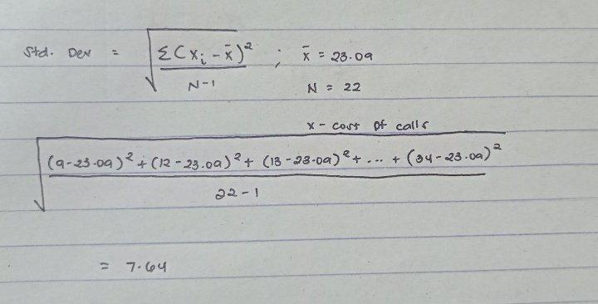
 |  | 29
 |  | 30
 |  | 31
 |  | 32
 |  | 34

